Лист1
Project Name |  | Food Delivery Service

Functionalities
Sign up
Make an order
Add food category
Configure company

Test Number | Test scenario | Description | Test Steps | Expected Result | Actual Results | Status
1 | Sign up functionality | Test sign up functionality of the application | 1) Open website 2) Access sign up page 3) Fill in the sign up form | 1) Return status code 200 2) Return created user info 3) Show actual information about created user when accessing through id | 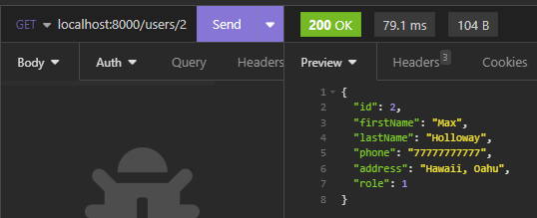 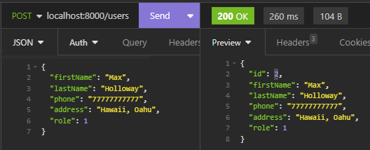 | As expected
2 | Make an order functionality | Test order making functionality of the application | 1) Open website 2) Access order page 3) Choose an order items 4) Make an order | 1) Return status code 200 2) Return created order info | 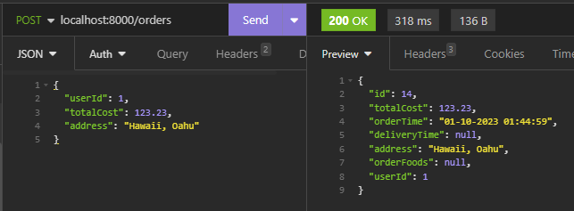 | As expected
3 | Food categories functionlity | Test creating new food categories for companies of the application | 1) Open website 2) Access company's food categories page 3) Create new food category for the certain company | 1) Return status code 200 2) Show created food category info | 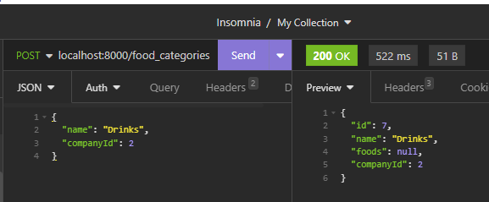 | As expected
4 | Company configureation functionality | Test changing info about company functionality of the application | 1) Open website 2) Access company's info page 3) Edit some info in the following inputs 4) Apply changes | 1) Return status code 200 2) Show changed company information 3) Show actual information about company when accessing through id |  | As expected

